FFP_45degree2.6%_total400.68
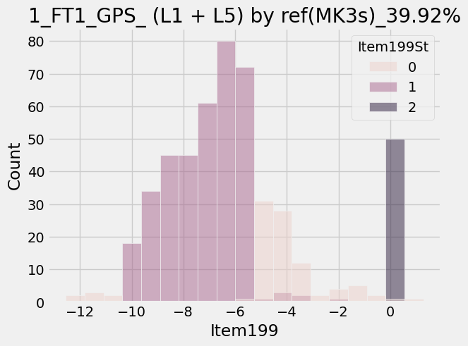
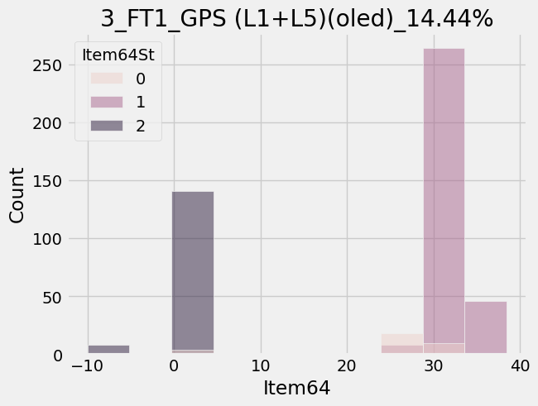
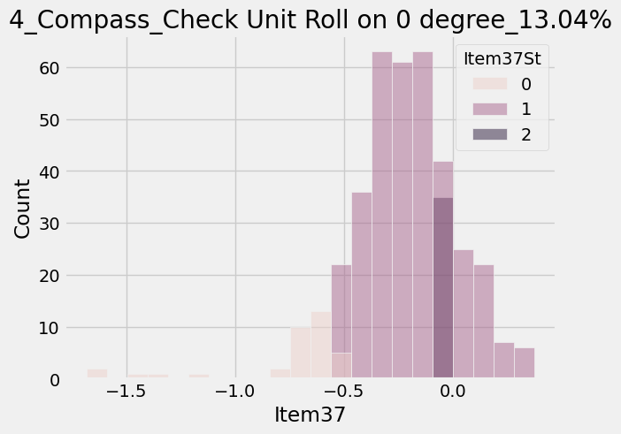
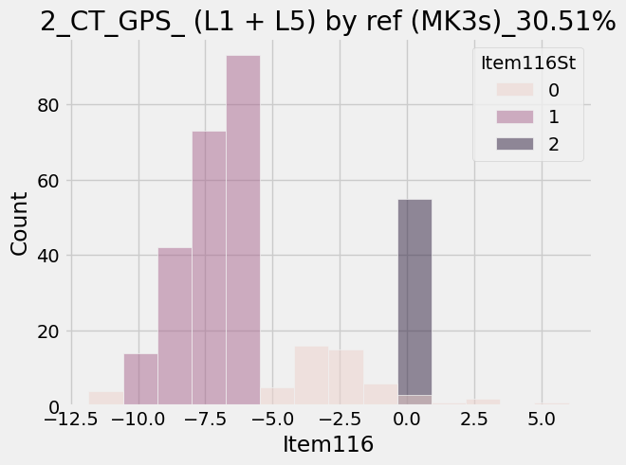
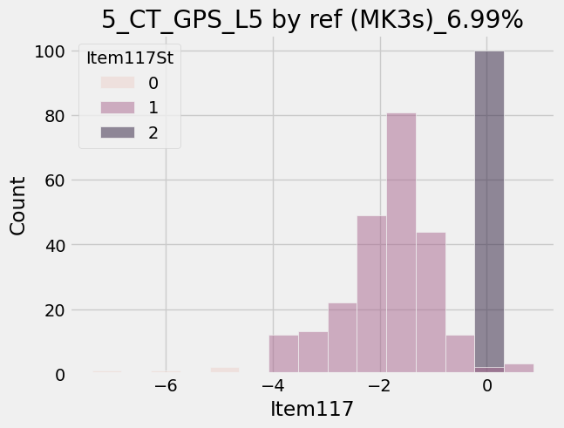
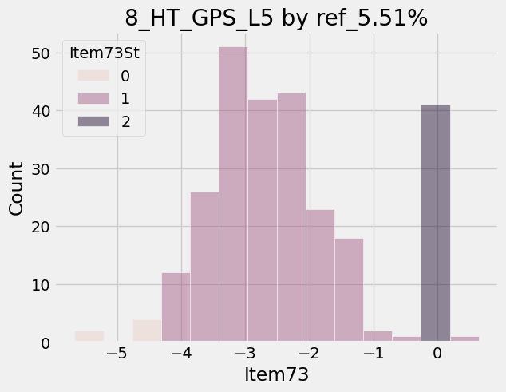
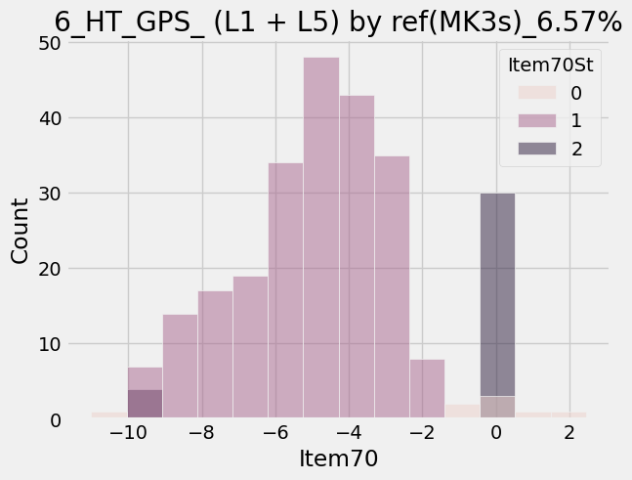
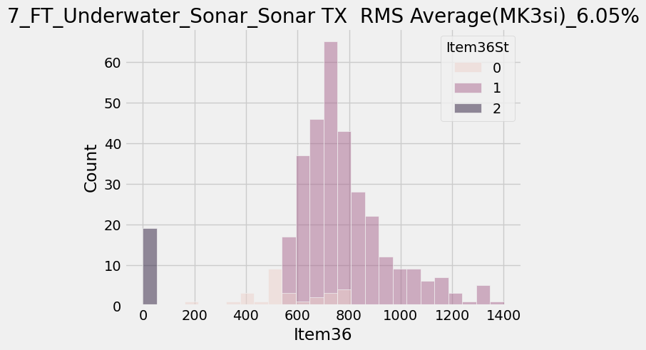
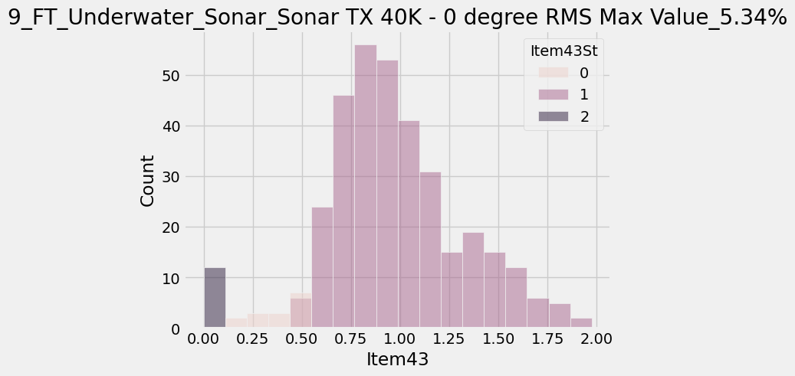
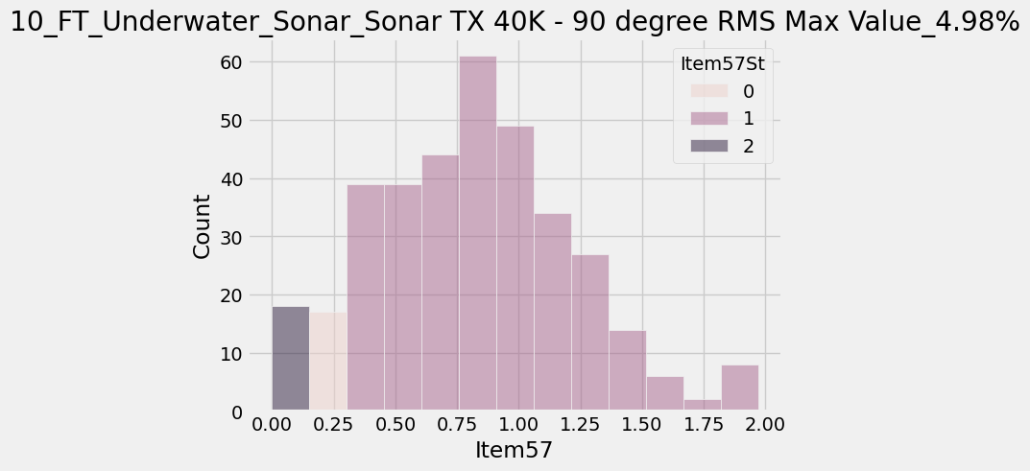
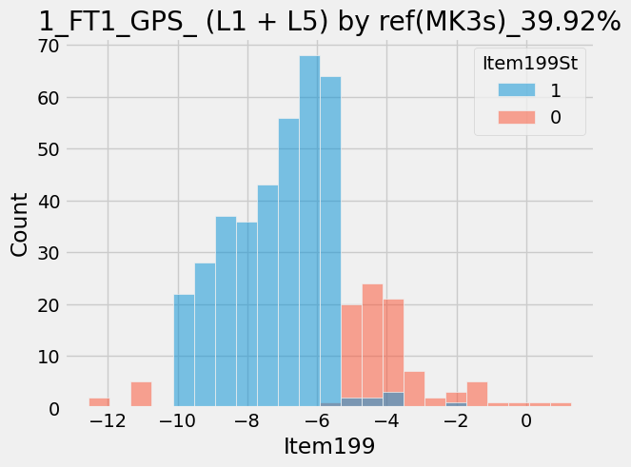
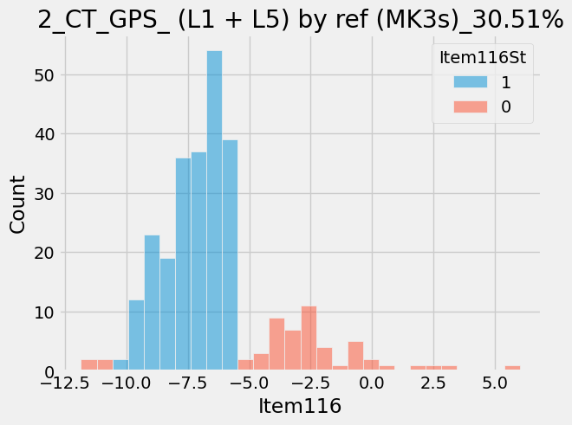
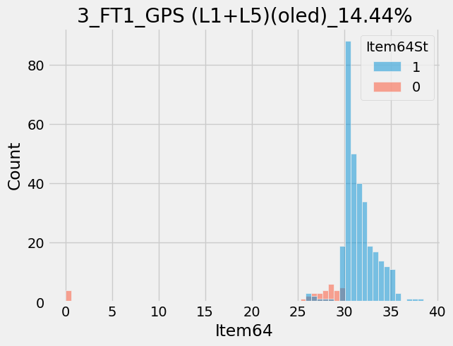
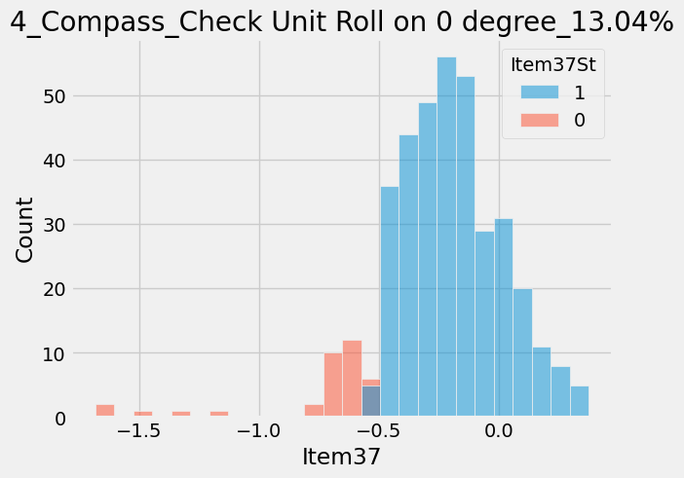
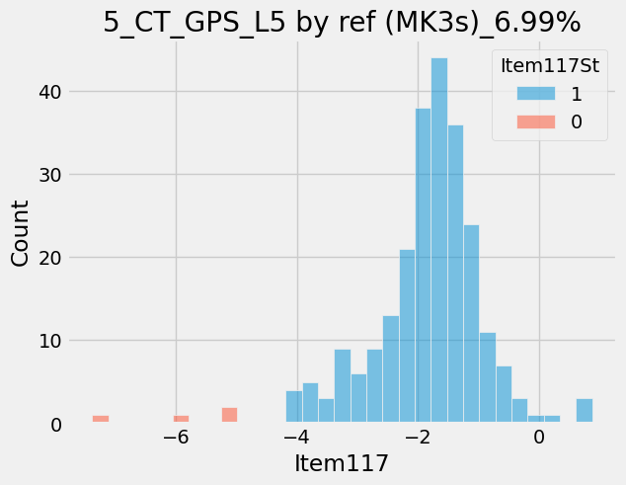
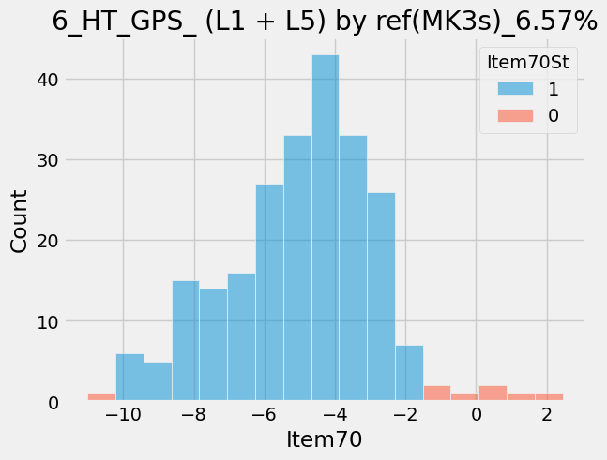
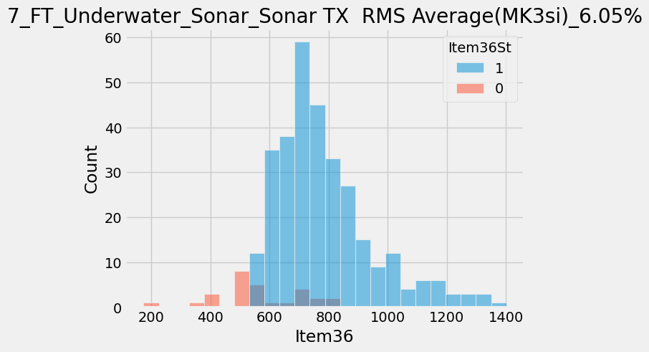
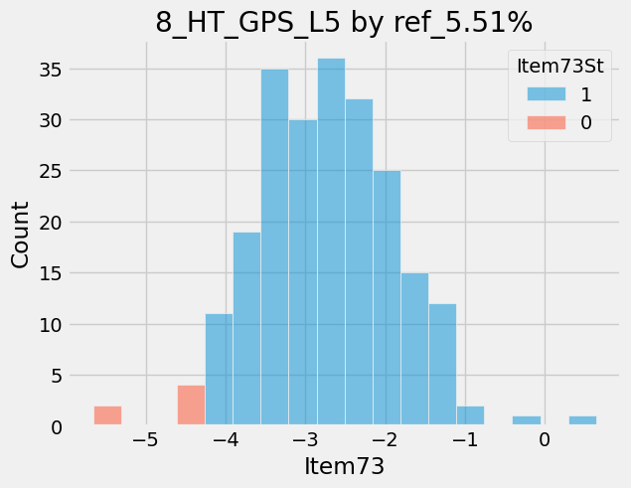
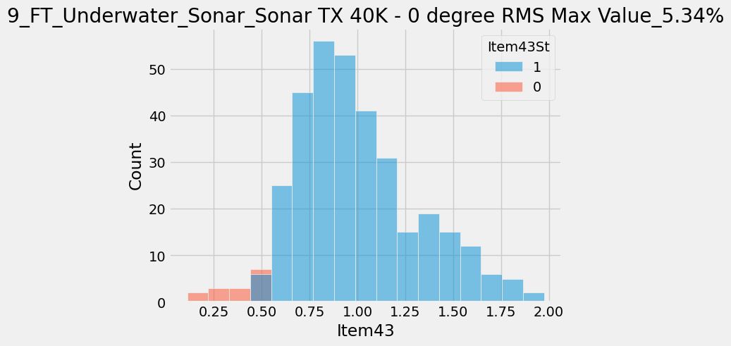
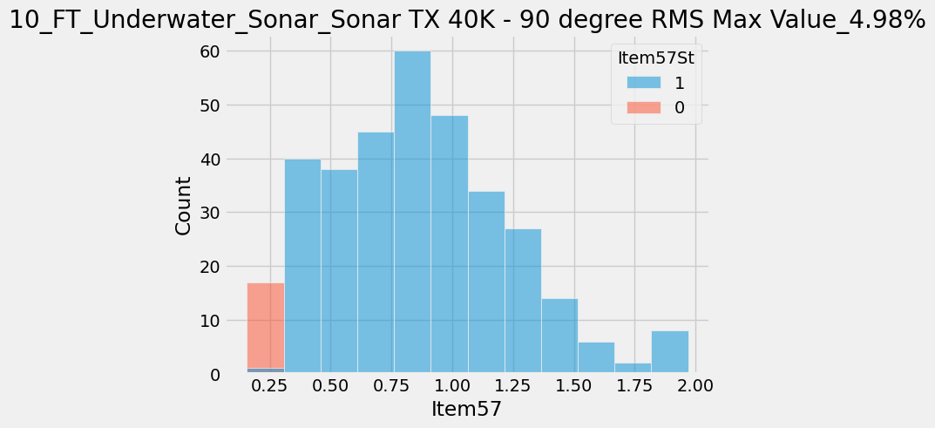
Process | ItemNameType | ProcessType | Item | ItemName | CountCountESN | Retest | Pre_comment
ASSY | 18195 | DescentMK3_FT1 | 199 | GPS_ (L1 + L5) by ref(MK3s) | 188/471 | 39.92 | 機台效能偏低, P100/P101 are removed. Display may drop C/N, C/N太小可能被直接視為0(null)
ASSY | 13995 | Fenix7_Altimeter | 2 | Position1_Val2 | 70/227 | 30.84 | HRM Lens floating, 因model未即時更新，導致治具設計錯誤 SUS SKU肉厚偏下陷
ASSY | 18191 | DescentMK3_CT | 59 | GPS (L1+L5) | 39/472 | 8.26 | Null or -999
ASSY | 13995 | Fenix7_Altimeter | 5 | Position3_Val1 | 57/227 | 25.11 | HRM Lens floating, 因model未即時更新，導致治具設計錯誤 SUS SKU肉厚偏下陷
ASSY | 18191 | DescentMK3_CT | 116 | GPS_ (L1 + L5) by ref (MK3s) | 144/472 | 30.51 | 機台效能偏低, P100/P101 are removed. Display may drop C/N, C/N太小可能被直接視為0(null)
ASSY | 18195 | DescentMK3_FT1 | 64 | GPS (L1+L5)(oled) | 68/471 | 14.44 | 機台效能偏低, P100/P101 are removed. Display may drop C/N, C/N太小可能被直接視為0(null)
ASSY | 18200 | DescentMK3_Compass | 37 | Check Unit Roll on 0 degree | 60/460 | 13.04 | 治具問題?
012-04448-S8 | 18322 | DescentMk3_ATE | 75 | Conducted WIFI Output Power | 3/30 | 10 | I701 issue, power打不出來, ABA SWAP後單板可正常打power
ASSY | 8837 | Airtight_table | 114 | Final Fail | 45/479 | 9.39
ASSY | 18192 | DescentMK3_HT | 85 | GPS (L1+L5) | 14/472 | 2.97 | Null or -999
ASSY | 18191 | DescentMK3_CT | 117 | GPS_L5 by ref (MK3s) | 33/472 | 6.99 | 機台效能偏低, P100/P101 are removed. Display may drop C/N, C/N太小可能被直接視為0(null)
ASSY | 18195 | DescentMK3_FT1 | 138 | Beidou | 72/471 | 15.29 | Null
012-04448-S5 | 18322 | DescentMk3_ATE | 89 | VMID (V_SNR_MID) | 22/295 | 7.46 | 外掛之切換轉板+測試程式溝通問題。測聲納電壓用。已加Delay解決。
ASSY | 18192 | DescentMK3_HT | 70 | GPS_ (L1 + L5) by ref(MK3s) | 31/472 | 6.57 | 機台效能偏低, P100/P101 are removed. Display may drop C/N, C/N太小可能被直接視為0(null)
012-04448-S8 | 18323 | DescentMk3_MultiUpdater | 12 | Check GPS FW (MK3s) | 2/30 | 6.67 | SW can't support I407B
ASSY | 18195 | DescentMK3_FT1 | 16 | GPS (L1+L5) | 20/471 | 4.25 | Null
012-04448-S5 | 18323 | DescentMk3_MultiUpdater | 12 | Check GPS FW (MK3s) | 18/295 | 6.1 | SW can't support I407B
ASSY | 18213 | DescentMK3_FT_Underwater_Sonar | 36 | Sonar TX RMS Average(MK3si) | 17/281 | 6.05 | 架設問題?
ASSY | 18200 | DescentMK3_Compass | 13 | Compute Unit Pitch and Roll | 37/460 | 8.04 | 0
ASSY | 18205 | DescentMK3_RTESN | 63 | Glonass_65 | 36/476 | 7.56 | -999
ASSY | 18205 | DescentMK3_RTESN | 54 | GPS (L1+L5) | 13/476 | 2.73 | -999
ASSY | 18192 | DescentMK3_HT | 73 | GPS_L5 by ref | 26/472 | 5.51 | 機台效能偏低, P100/P101 are removed. Display may drop C/N, C/N太小可能被直接視為0(null)
ASSY | 18195 | DescentMK3_FT1 | 98 | NFC Antenna Self-test Tx Current | 19/471 | 4.03
ASSY | 13995 | Fenix7_Altimeter | 4 | Position2_Val2 | 8/227 | 3.52 | HRM Lens floating, 因model未即時更新，導致治具設計錯誤 SUS SKU肉厚偏下陷
012-04448-S5 | 18322 | DescentMk3_ATE | 81 | VBAT Current (Off Mode)(10,900) | 10/295 | 3.39
ASSY | 8837 | Airtight_table | 115 | 壓力超出規格_負壓 | 16/479 | 3.34
012-04448-S8 | 18323 | DescentMk3_MultiUpdater | 8 | Check HUB FW (MK3s) | 1/30 | 3.33
012-04448-S8 | 18323 | DescentMk3_MultiUpdater | 5 | MultiUpdater USB Update | 1/30 | 3.33
012-04448-S8 | 18323 | DescentMk3_MultiUpdater | 6 | USB Connection (Reboot) | 1/30 | 3.33 | 操作問題，非單板上問題，為治具連線上問題
ASSY | 8837 | Airtight_table | 121 | 壓力超出規格_正壓 | 15/479 | 3.13
012-04448-S5 | 18322 | DescentMk3_ATE | 75 | Conducted WIFI Output Power | 9/295 | 3.05 | I701 issue, power打不出來, ABA SWAP後單板可正常打power
ASSY | 18213 | DescentMK3_FT_Underwater_Sonar | 43 | Sonar TX 40K - 0 degree RMS Max Value | 15/281 | 5.34 | 架設問題?
012-04448-S0 | 18323 | DescentMk3_MultiUpdater | 6 | USB Connection (Reboot) | 6/207 | 2.9 | 操作問題，非單板上問題，為治具連線上問題
012-04448-S0 | 18322 | DescentMk3_ATE | 75 | Conducted WIFI Output Power | 6/207 | 2.9 | I701 issue, power打不出來, ABA SWAP後單板可正常打power
ASSY | 18213 | DescentMK3_FT_Underwater_Sonar | 57 | Sonar TX 40K - 90 degree RMS Max Value | 14/281 | 4.98 | 架設問題?
 |  | DescentMk3_ATE |  | Sonar Tx |  |  | Q304 crack, Prissue有,在ATE抓到 Validation: Pick and place 30 times

